Calcs
 | AUT
Year | Eta.fu [-] | Source/Method
1960 | 40.00% | Assumption
1961 | 40.72% | Linear interpolation
1962 | 41.45% | Linear interpolation
1963 | 42.17% | Linear interpolation
1964 | 42.89% | Linear interpolation
1965 | 43.61% | Linear interpolation
1966 | 44.33% | Linear interpolation
1967 | 45.06% | Linear interpolation
1968 | 45.78% | Linear interpolation
1969 | 46.50% | Linear interpolation
1970 | 47.22% | Linear interpolation
1971 | 47.95% | Linear interpolation
1972 | 48.67% | Linear interpolation
1973 | 49.39% | Linear interpolation
1974 | 50.11% | Linear interpolation
1975 | 50.84% | Linear interpolation
1976 | 51.56% | Linear interpolation
1977 | 52.28% | Linear interpolation
1978 | 53.00% | Linear interpolation
1979 | 53.73% | Linear interpolation
1980 | 54.45% | Schwartz (2011)
1981 | 58.25% | Schwartz (2011)
1982 | 60.47% | Schwartz (2011)
1983 | 62.96% | Schwartz (2011)
1984 | 65.97% | Schwartz (2011)
1985 | 68.46% | Schwartz (2011)
1986 | 70.55% | Schwartz (2011)
1987 | 72.91% | Schwartz (2011)
1988 | 75.00% | Schwartz (2011)
1989 | 76.00% | Schwartz (2011)
1990 | 78.27% | Schwartz (2011)
1991 | 80.11% | Schwartz (2011)
1992 | 81.81% | Schwartz (2011)
1993 | 83.11% | Schwartz (2011)
1994 | 84.03% | Schwartz (2011)
1995 | 85.60% | Schwartz (2011)
1996 | 86.52% | Schwartz (2011)
1997 | 87.04% | Schwartz (2011)
1998 | 88.09% | Schwartz (2011)
1999 | 88.61% | Schwartz (2011)
2000 | 89.27% | Schwartz (2011)
2001 | 89.79% | Schwartz (2011)
2002 | 90.58% | Schwartz (2011)
2003 | 90.84% | Schwartz (2011)
2004 | 91.49% | Schwartz (2011)
2005 | 91.89% | Schwartz (2011)
2006 | 92.02% | Schwartz (2011)
2007 | 92.28% | Schwartz (2011)
2008 | 92.54% | Schwartz (2011)
2009 | 92.65% | Schwartz (2011)
2010 | 92.80% | Schwartz (2011)
2011 | 93.43% | Linear interpolation
2012 | 94.07% | Linear interpolation
2013 | 94.70% | Guntamatic (2013)
2014 | 94.70% | Held constant (Trend plateaus)
2015 | 94.70% | Held constant (Trend plateaus)
2016 | 94.70% | Held constant (Trend plateaus)
2017 | 94.70% | Held constant (Trend plateaus)
2018 | 94.70% | Held constant (Trend plateaus)
2019 | 94.70% | Held constant (Trend plateaus)
2020 | 94.70% | Held constant (Trend plateaus)

Schwartz_2011
Schwartz (2011) - Determination of annual efficiency factors of small-scale biomass boiler |  |  | @book{schwarz2011determination,
https://www.best-research.eu/files/publications/pdf/I1-2508.pdf |  |  | title={Determination of annual efficiency and emission factors of small-scale biomass boiler},
 |  |  | author={Schwarz, Markus and Heckmann, Matthias and Lasselsberger, Leopold and Haslinger, Walter},
Small scale = <400kW |  |  | year={2011},
 |  |  | publisher={na}
Year | Efficiency [%] | Efficiency [-] | }
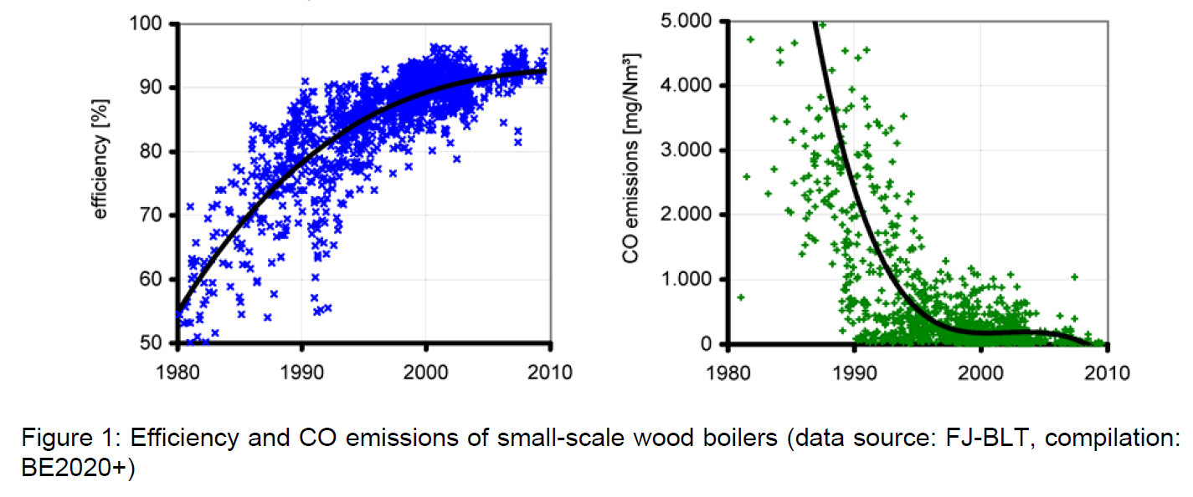
1980 | 54.45 | 0.54
1981 | 58.25 | 0.58
1982 | 60.47 | 0.60
1983 | 62.96 | 0.63
1984 | 65.97 | 0.66
1985 | 68.46 | 0.68
1986 | 70.55 | 0.71
1987 | 72.91 | 0.73
1988 | 75.00 | 0.75
1989 | 76.00 | 0.76
1990 | 78.27 | 0.78
1991 | 80.11 | 0.80
1992 | 81.81 | 0.82
1993 | 83.12 | 0.83
1994 | 84.03 | 0.84
1995 | 85.60 | 0.86
1996 | 86.52 | 0.87
1997 | 87.04 | 0.87
1998 | 88.09 | 0.88
1999 | 88.61 | 0.89
2000 | 89.27 | 0.89
2001 | 89.79 | 0.90
2002 | 90.58 | 0.91
2003 | 90.84 | 0.91
2004 | 91.49 | 0.91
2005 | 91.89 | 0.92
2006 | 92.02 | 0.92
2007 | 92.28 | 0.92
2008 | 92.54 | 0.93
2009 | 92.65 | 0.93
2010 | 92.80 | 0.93

Guntamatic_2013
Guntamati (2013) - BIOCOM Product overview
https://www.guntamatic.com/fileadmin/PDF_Produkte/Prospekte_Datenblaetter/1_languages/Guntamatic_Product_overview.pdf

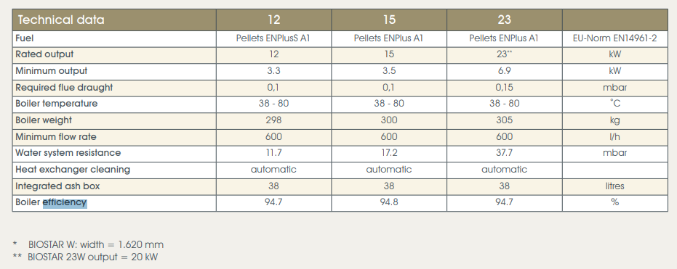
Year | Efficiency [-]
2013 | 0.947

Corder_1973
Corder (1973) - Wood and bark as fuel
https://ir.library.oregonstate.edu/downloads/4b29b722g

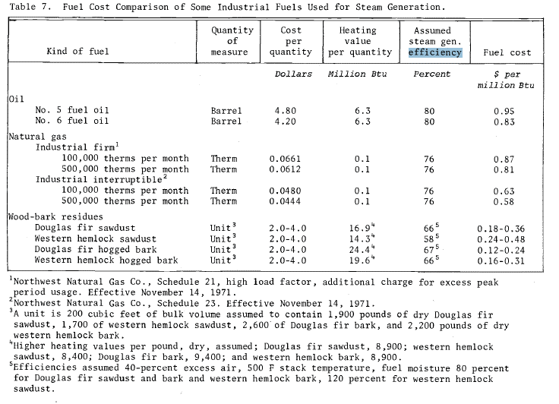
Country | Year | Machine | Efficiency
USA | 1971 | Wood-residue fired steam boiler | 64.25%

Atherton_1963
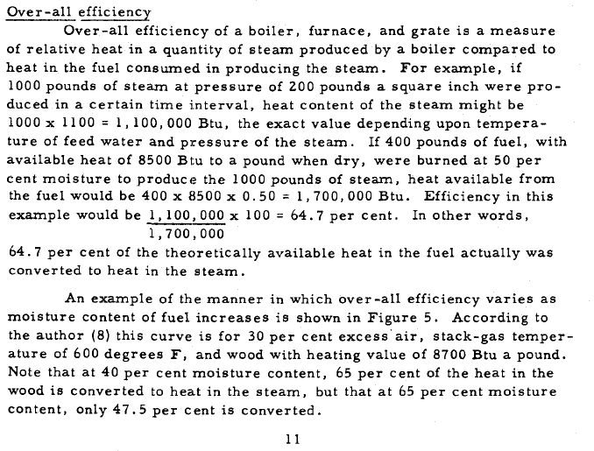
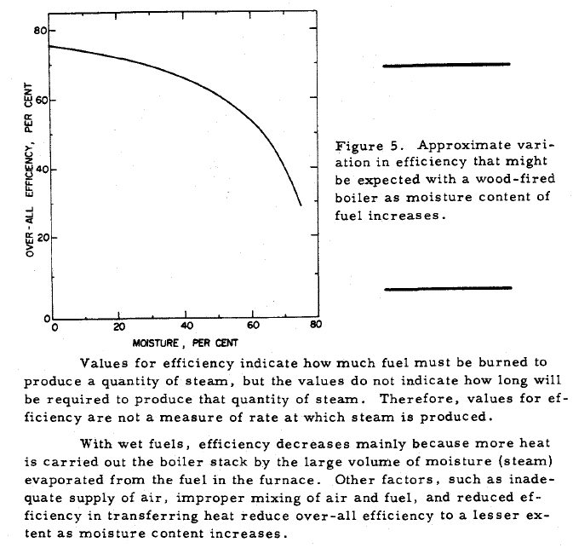
Atherton (1963) - Burning west coast hemlock hogged fuel in boiler furnaces
https://ir.library.oregonstate.edu/downloads/f7623j19c

Compton_2017
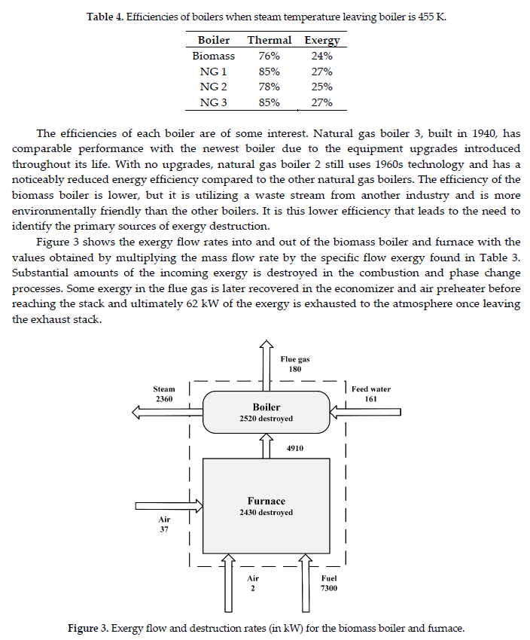
Compton & Rezaie (2017) - Sustainability Enhancement of a Biomass Boiler through Exergy Analysis
https://www.mdpi.com/2504-3900/2/4/159

Paniz_2009
Paniz (2009) - Working Group 2 on Small scale heating systems
https://ec.europa.eu/energy/intelligent/projects/sites/iee-projects/files/projects/documents/crossborderbioenergy_sector_handbook_small_scale_heating_en.pdf
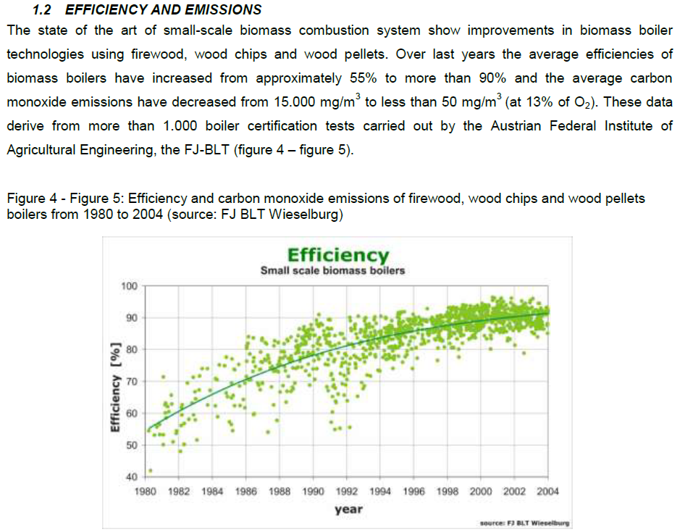
Year | Efficiency [%] | Efficiency [-]
1980 | 54.29 | 0.54
1981 | 57.83 | 0.58
1982 | 60.80 | 0.61
1983 | 63.49 | 0.63
1984 | 65.76 | 0.66
1985 | 68.30 | 0.68
1986 | 70.71 | 0.71
1987 | 72.97 | 0.73
1988 | 74.39 | 0.74
1989 | 76.65 | 0.77
1990 | 78.21 | 0.78
1991 | 79.76 | 0.80
1992 | 81.18 | 0.81
1993 | 82.59 | 0.83
1994 | 83.73 | 0.84
1995 | 84.85 | 0.85
1996 | 85.71 | 0.86
1997 | 86.70 | 0.87
1998 | 87.26 | 0.87
1999 | 88.11 | 0.88
2000 | 88.82 | 0.89
2001 | 89.67 | 0.90
2002 | 90.24 | 0.90
2003 | 90.94 | 0.91
2004 | 91.37 | 0.91

